RFQ Fruit Plants

Aga Khan Rural Support Program (AKRSP)
REQUEST FOR QUOTATION (RFQ)

 | RFQ No: | G/BR/EQT/005 |  |  | Delivery Point: |  | RPOG
 | RFQ Date: | 14-Feb-24 |  |  | Submission Date: |  | 24-Feb-24

 | Issued By: |  |  |  | Issued To:
 | Head of Admin & Procurement
 | Aga Kha Rural Support Programme Head Office Gilgit

 |  |  |  |  | Phone: |  |  | Fax:
 |  |  |  |  | Mobile:
Sr. | Particulars |  | Units | Qty
1 | Cherry (Varieties: Bing, Stella, Barlet, Sweet Heart, Regina, Vain, Tatarian, Merchant Size: Height: Minimum 4 feet, Stem thickness: 1 to 1.5 inch, Budded/grafted) |  | Plant | 1600 | Evaluation Criteria
2 | Apple (Varieties: Red & Golden delicious, Gala group , Suspolo, Star King ) Size: Height: Minimum 4 feet, Stem thickness: 1 to 1.5 inch, Budded/grafted) |  | Plant | 1600 | 1 | Price
3 | Persimmon (Varieties: Local (Desi) Japani Phal, Size: Height: Minimum 4 feet Thickness: 1- 1.5 inch) |  | Plant | 1600 | 2 | Nursery Registration Certificate from Agriculture Departmennt of GB
4 | Pear ( Varieties: Batang, Babugosha, Shuguri, Picho., Size:Height: Minimum 4 feet, Stem thickness: 1 to 1.5 inch, Budded/grafted) |  | Plant | 1600 | 3 | Past working Experience
5 | Apricot (Varieties: Habi, Halman, Ameri, Charmaghzi (Afghani), Alishahkakas, Shikanda etc, Size: Height: Minimum 4 feet, Stem thickness: 1 to 1.5 inch, Budded/grafted |  | Plant | 1600 | 4 | Certified and disease free plants
6 | Grapes (Varities: King rubi, Vitro black, Sughra, Crimson, Himrod, Margoon, Size: Not shorter than 2 feet) |  | Plant | 1600 | 5 | Sizes must also be mentioned against each plant
7 | Almond (Varieties: Patasa, Krishma, Talvari, abdulwadi etc. Size:Height: Minimum 4 feet, Stem thickness: 1 to 1.5 inch, Budded/grafted |  | Plant | 1600 | 6 | payment terms
8 | Olive |  | Plant | 1600 | 7 | Delivery Period
9 | 0 |  |  |  | 8 | No letigations with AKRSP, Government or any other NGO.
10
11
12 |  |  |  |  | Important Note:

 | Key Requirements |  |  |  | Vendor Receipt & Acknowledgement
* Your quotation must be provided on Company's letter head and must be accompnyed with this RFQ form along with annexure. All documents must be duly signed and stamped. You can submitt your sealed quotation complete in all respects to undersigned with in specified time. * Any quotation which is not fulfilling the criteria will be rejected. * AKRSP Procurement Committee reserves rights to accept OR reject quotation(s) and also reserves the rights to cancel this process in full or in parts. * Your quotation must reach with in given deadline. No quotation will be accepted afterwords. * The evaluation will be done based on the criteria mentioned above. * This is NOT a Public Bid Opening. Quotations will be opened and analyzed by AKRSP Procurement Committee as per AKRSP Procurement Policy.
 |  |  |  |  | Name: _________________________

 |  |  |  |  | Designation: _____________________

 |  |  |  |  | Sign & Stamp | _________________________

 | Signatures:

Vegetable Kit Pictures
Description | Details | Quantity | Picture
Plastic Seedling Tray | Plastic made with 128 holes | 2 | 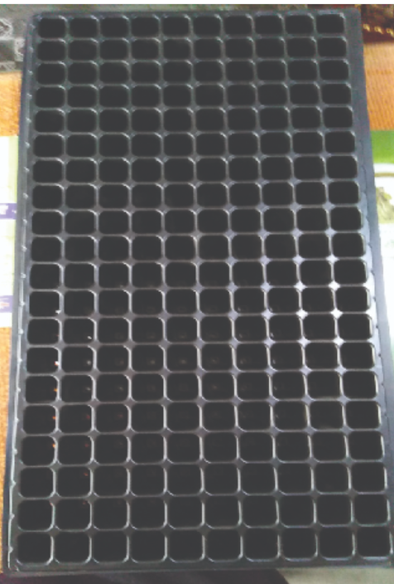
3 Pcs Garden Tools Set Trowel Transplanting Gardening Shovel | Made of plastic handle and iron material, easy to use, not easy to dirty and rust, Skid-proof plastic handle, smooth edge Size: Approx. 26x10x2cm/10.24x3.94x0.79inch | 1 set | 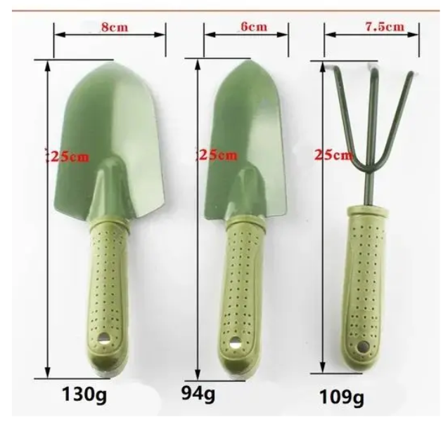
Gardening Gloves | made with durable ABS plastic, puncture-resistan, BREATHABLE FABRIC | 1 set | 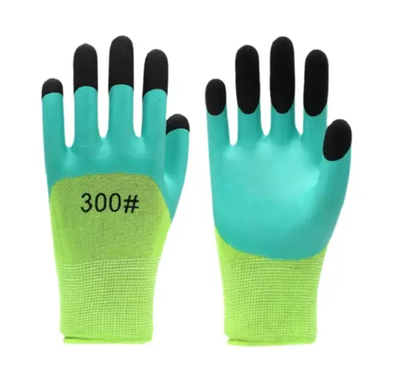
Plant Shower Bottle | 9 ltr -LARGE SIZE | 1 | 